Currency Converter
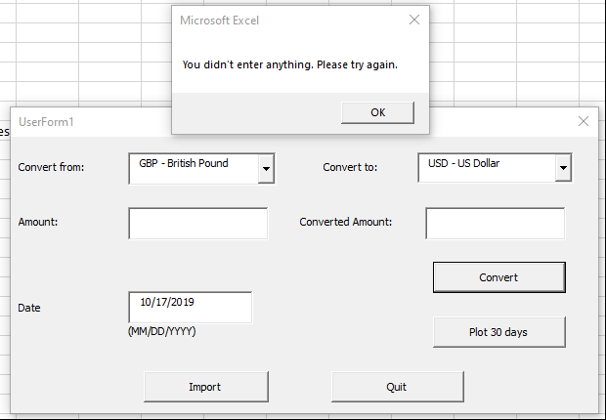
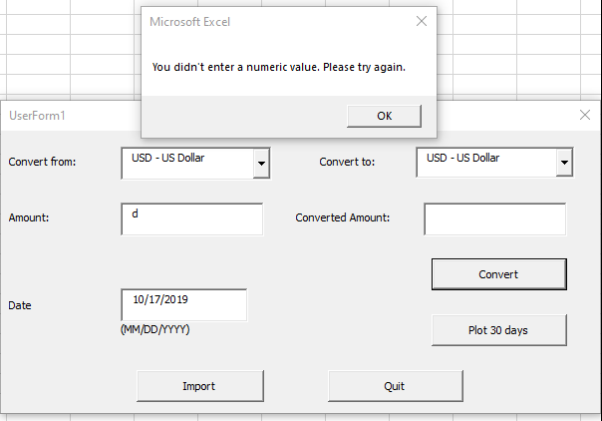
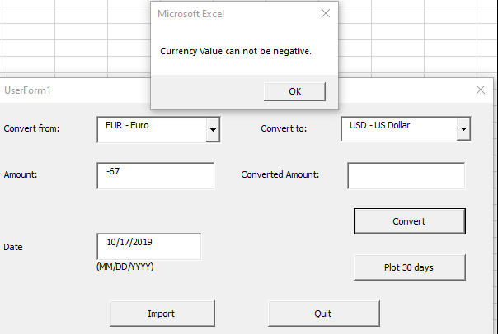
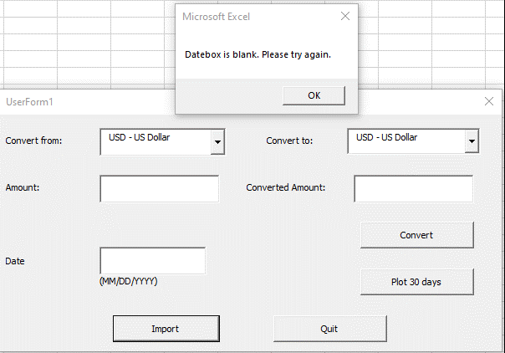
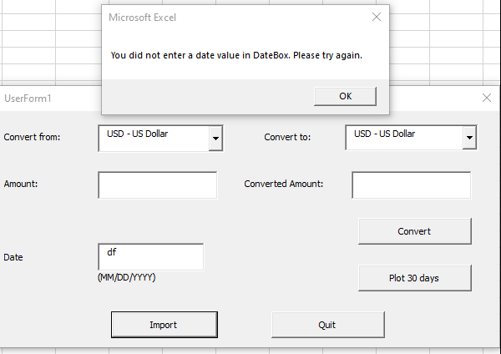
Project screenshots:
1. Plot 30 days exchange rates
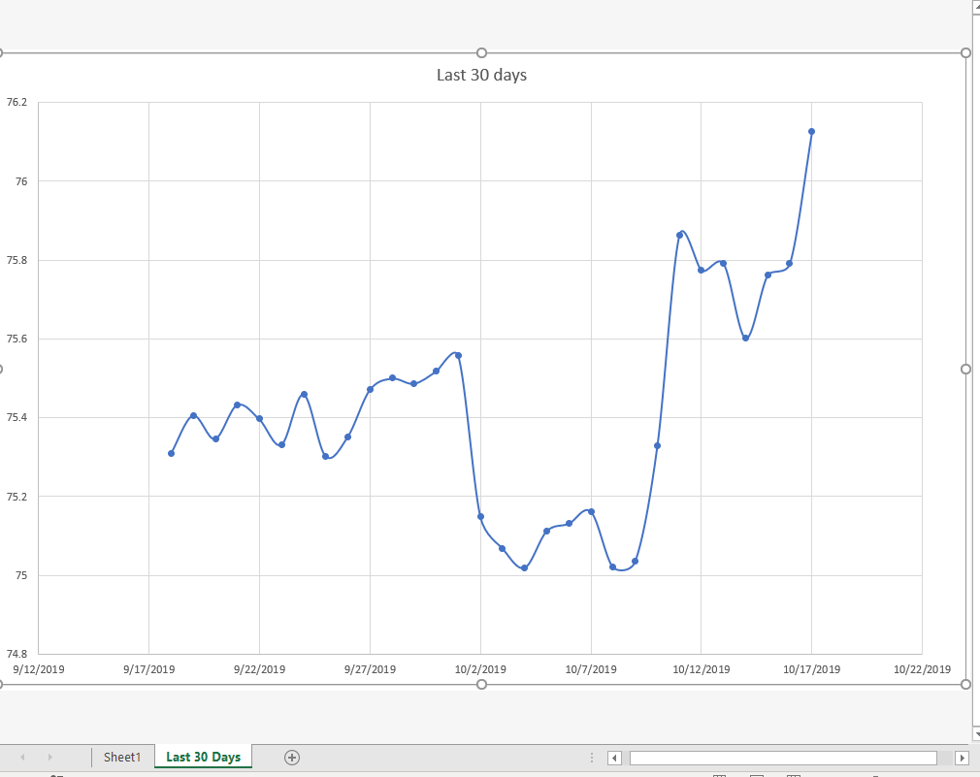

2. Exchange rates screenshots works for several currencies and different days
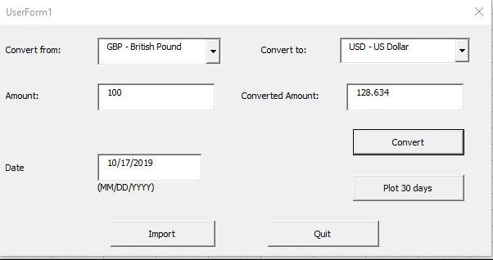

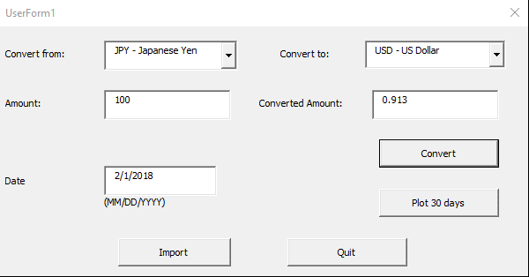

3. Input validation

Last 30 Days
Last 30 days
9/18/2019 | 7.086
9/19/2019 | 7.096
9/20/2019 | 7.092
9/21/2019 | 7.088
9/22/2019 | 7.091
9/23/2019 | 7.118
9/24/2019 | 7.116
9/25/2019 | 7.132
9/26/2019 | 7.132
9/27/2019 | 7.124
9/28/2019 | 7.123
9/29/2019 | 7.122
9/30/2019 | 7.149
10/1/2019 | 7.148
10/2/2019 | 7.149
10/3/2019 | 7.149
10/4/2019 | 7.149
10/5/2019 | 7.146
10/6/2019 | 7.148
10/7/2019 | 7.149
10/8/2019 | 7.145
10/9/2019 | 7.133
10/10/2019 | 7.116
10/11/2019 | 7.088
10/12/2019 | 7.087
10/13/2019 | 7.088
10/14/2019 | 7.068
10/15/2019 | 7.082
10/16/2019 | 7.094
10/17/2019 | 7.079

